Sheet1
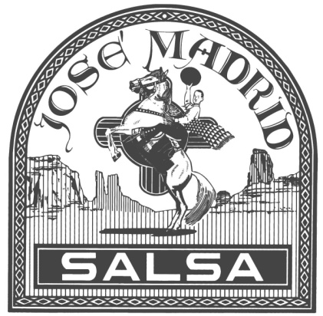

 |  | Organization
 |  | Seller's Name and Phone
 |  | Seller's Teacher or Fundraising Coordinator
 |  | FRUIT |  |  |  |  |  |  |  | SPECIALTY |  |  |  |  |  |  |  | VERDES |  |  | ORIGINALS
 |  | Raspberry - Mild | Peach - Mild | Strawberry - Mild | Pineapple - Mild | Mango - Mild | Cherry - Mild | Cherry Chocolate | Rst. Habenero & Pineapple - Hot | Rst. Garlic & Olives - Med | Chipotle Con Queso | Chipotle - Hot | Garden Fresh Cilantro - Mild | Garden Fresh Cilantro - Hot | Black Bean & Corn - Medium | Jamaican Jerk | Raspberry Chipotle BBQ - Med | Spanish Verde - Mild | Spanish Verde - Hot | Spanish Verde - XX Stupid Hot | Original - Mild | Clovis - Medium | Original - Hot | Original - X Hot | TOTAL DUE
"Fund Raising the Healthy Way"
Jose Madrid Salsa Fund Raiser Form
www.JoseMadridSalsa.com
 | mike@josemadridsalsa.com
Choose Your Own Varieties
$6 Per Jar - Shipping Included
Organization receives 50% Profit
Please make checks payable to the organization
Name | Phone or Email
1
2
3
4
5
6
7
8
9
10
11
12
13
14
15
16
17
18
19
20

